Notes
Changing The Way We Care℠ (CTWWC) is a global initiative funded by USAID, the MacArthur Foundation and the GHR Foundation, and implemented by Catholic Relief Services and Maestral International, along with other global, national and local partners working together to change the way we care for children around the world. Our principal global partners are Better Care Network, Lumos Foundation, and Faith to Action. CTWWC’s vision is to be a bold global initiative designed to promote safe, nurturing family care for children, including reforming national systems of care for children, strengthening families, family reunification and preventing child-family separation, which can have harmful, long-term consequences, development of alternative family-based care, and influencing others to build momentum towards a tipping point of change for children.

Need to know more? Contact Changing the Way We Care at info@ctwwc.org or visit changingthewaywecare.org

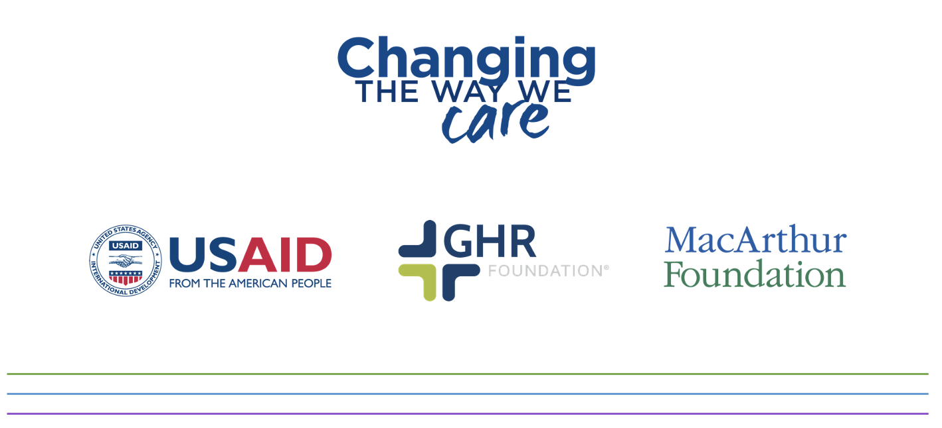

©2021 Catholic Relief Services. All Rights Reserved. This material may not be reproduced, displayed, modified or distributed without the express prior written permission of copyright holder. For permission, write to info@ctwwc.org. The photographs in this publication are used for illustrative purposes only; they do not imply any particular health, orphanhood, or residential care status on the part of any person who appears in the photographs.

